Dashboard
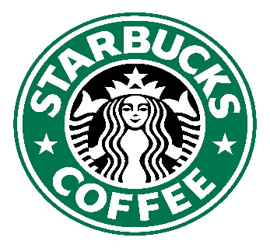
SALES DASHBOARD
Total Sales Revenue
£45,134.26
Average Size of Cup Ordered
1.0Kg
Average Bill Per Order
£12.91
Total Cups Sold
3551 cups

Daily trend of starbucks revenue
 | Total
Monday | £5,968.29
Tuesday | £5,582.97
Wednesday | £6,377.10
Thursday | £6,541.07
Friday | £7,305.74
Saturday | £6,202.72
Sunday | £7,156.37
Percentage(%) of the most ordered coffee blends
 | Sum of Quantity | cups sold
A-D-0.2 | 19.80% | 97 cups
A-M-0.5 | 20.20% | 99 cups
A-M-1 | 19.80% | 97 cups
A-M-2.5 | 19.80% | 97 cups
R-L-0.2 | 20.41% | 100 cups

Top Selling coffee blends
 | Total
L-L-2.5 | £2,150.85
L-D-2.5 | £2,442.37
E-L-2.5 | £2,459.16
A-M-2.5 | £2,509.87
A-L-2.5 | £2,561.51
Customer that generates the most revenue
 | Percentage of sales
Allis Wilmore | 21.5%
Brenn Dundredge | 20.8%
Don Flintiff | 18.9%
Nealson Cuttler | 19.1%
Terri Farra | 19.6%

